Test Case
Column 1 | Column 2
Project name | TutorialsNinja
Clint | TutorialsNinja
Reference document
Created by | Vikash Kumar
Creation date | 2024-08-30
Approval date

Column 1 | Column 2 | Column 3 | Column 4 | Column 5 | Column 6 | Column 7 | Column 8 | Column 9 | Column 10
Test ID | Test Scenario | Test Case Description | Steps | Pre conditions | Test Data | Expected Result | Actual Result | Status | Comments
1 | Validate the working of home page functionality | Verify All Links on the Homepage Navigate to Correct Pages | 1. Identify all clickable links on the homepage. 2. Click on each link one by one. 3. Verify that each link redirects to the correct page. | Valid_Url:"https://tutorialsninja.com/demo/" | N/A | Each link should navigate to the appropriate page as expected. | link is navigating to the appropriate page as expected. | Pass
2 | verify all links to the home page navigate to the correct pages | verify contect us page | 1.Go to the homepage 2.click on link | user is on home page | NA | the link should take to correct page | it is going to correct page | Pass
3 | verify all links to the home page navigate to the correct pages | verify my account page | 1.Go to the homepage 2.click on link | user is on home page | NA | the link should take to correct page | it is going to correct page | Pass
4 | verify all links to the home page navigate to the correct pages | verify wishlist page | 1.Go to the homepage 2.click on link | user is on home page | NA | the link should take to correct page | it is going to correct page | Pass
5 | verify all links to the home page navigate to the correct pages | verify shoping cart page | 1.Go to the homepage 2.click on link | user is on home page | NA | the link should take to correct page | it is going to correct page | Pass
6 | verify all links to the home page navigate to the correct pages | verify checkout page | 1.Go to the homepage 2.click on link | user is on home page | NA | the link should take to correct page | it is going to correct page | Pass
7 | Validate the working of home page functionality | Validate clicking the company logo redirects to the homepage. | Click on the Browser Enter the URL or Clicked Click on the Logo | Valid_Url:"https://tutorialsninja.com/demo/" | NA | It should redirect the user to the home page. | It is redirecting to home page after clicking on the logo. | Pass
8 | Validate the working of home page functionality | Validate appropriate message is shown when there are no products in a specific category after search. | Click on the Browser Enter the URL or Clicked click on search bar search for invalid product | Valid_Url:"https://tutorialsninja.com/demo/" | NA | It should give an error message when there is no product match. | It is not showing anything it's still on the page. | Fail
9 | Validate the working of home page functionality | Validate product information displayed on the home page is accurate and up-to-date. | Click on the Browser Enter the URL or Clicked | Valid_Url:"https://tutorialsninja.com/demo/" | NA | It should be accurate and up to date. | It is accurate and up to date as per the requirement. | Pass
10 | Validate the working of home page functionality | Validate home page loads within an acceptable time limit. | Click on the Browser Enter the URL or Clicked | Valid_Url:"https://tutorialsninja.com/demo/" | NA | It should load under certain amount of time. | It is loading under time limit. | Pass
11 | Validate the working of home page functionality | Validate user gets log out automatically after a period of inactivity. | Click on the Browser Enter the URL or Clicked | Valid_Url:"https://tutorialsninja.com/demo/" | NA | It should get log out after certain amount of time. | It is not getting log out after inactivity. | Fail
12 | Validate the working of home page functionality | Validate that the home page displays and functions correctly across different browsers (Chrome, Firefox, Safari, etc.). | Click on the Browser (Chrome,Firefox,safari,etc) Enter the URL or Clicked Launch the home page | Valid_Url:"https://tutorialsninja.com/demo/" | NA | It should work properly as per requirement in different browser. | It is loading in different browsers as per the requirement. | Pass
13 | Validate the working of home page functionality | Validate that all the categories are listed in the home page as per requirement. | Click on the Browser Enter the URL or Clicked Launch the home page | Valid_Url:"https://tutorialsninja.com/demo/" | NA | All categories should be listed as per the requirement. | All categories are listed as per the requirement. | Pass
14 | Validate the working of home page functionality | Validate that there is any grammer error or spelling error in the home page or not. | Click on the Browser Enter the URL or Clicked Launch the home page | Valid_Url:"https://tutorialsninja.com/demo/" | NA | There should be no grammer error or spelling mistakes on home page. | There is no grammer error or spelling mistakes on home page. | Pass
15 | Validate the working of home page functionality | Check error messages is displayed when the user is offline. | Click on the Browser Enter the URL or Clicked Launch the home page | Valid_Url:"https://tutorialsninja.com/demo/" | NA | Error message should be display when user is offline. | It is showing error message"No internet" as per the requirement. | Pass
16 | Validate the working of home page functionality | Verify font styles, sizes, and colors are as per the requirement | Click on the Browser Enter the URL or Clicked Launch the home page | Valid_Url:"https://tutorialsninja.com/demo/" | NA | Fonts,sizes and color should be as per the requirement. | Fonts,sizes and color is as per the requirement. | Pass
17 | Validate the working of home page functionality | Validate that the title for different products is accurate as per the requirement. | Click on the Browser Enter the URL or Clicked Launch the home page | Valid_Url:"https://tutorialsninja.com/demo/" | NA | Title should be accurate for different product. | The titles are accurate for different product. | Pass
18 | Validate the working of home page functionality | Validate the text format is as per the requirement or not . | Click on the Browser Enter the URL or Clicked Launch the home page | Valid_Url:"https://tutorialsninja.com/demo/" | NA | The text format should be as per the requirement. | The text format is as per the requirement. | Pass
19 | Test the registration feature with different input | verify the registration with valid details and click on terms and condition | 1.Go to the homepage 2.go to registration page | user is on registration page | NA | the registration should happen |  | Pass
20 | Test the registration feature with different input | verify the registration with invalid last name | 1.Go to the homepage 2.go to registration page | user is on registration page | NA | the registration should happen |  | Pass
21 | Test the registration feature with different input | verify the registration with invalid email | 1.Go to the homepage 2.go to registration page | user is on registration page | NA | the registration should happen |  | Pass
22 | Test the registration feature with different input | verify the registration with invalid password | 1.Go to the homepage 2.go to registration page | user is on registration page | NA | the registration should happen |  | Pass
23 | Test the registration feature with different input | verify the registration with valid details and don't click on terms and condition | 1.Go to the homepage 2.go to registration page | user is on registration page | NA | the registration should not happen |  | Pass
24 | Test the registration feature with different input | verify the registration with valid details | 1.Go to the homepage 2.go to registration page | user is on registration page | NA | the registration should happen
25 | mesure how quickly application is accessible | verify Quick response of application |  |  | NA | it should open quickly | it is taking time | Fail
26 | Validate the working of home page functionality | Validate the image quality of products is as per the requirement or not. | Click on the Browser Enter the URL or Clicked Launch the home page | Valid_Url:"https://tutorialsninja.com/demo/" | NA | The image quality of products should be as per the requirement. | The image quality is as per the requirement | Pass
27 | Validate the working of home page functionality | verify the search with a valid item |  |  | NA | it should show only relevant item | it is showing that there is no product is matching the search criteria, but after clicking on the checkbox it,s showing the result | Fail |  | 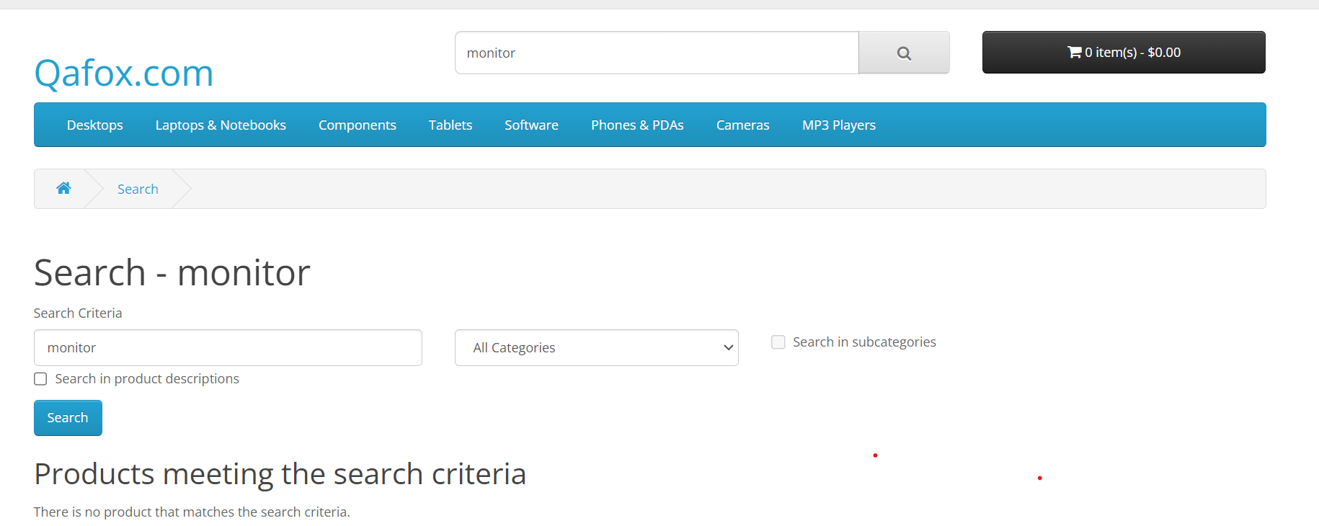
28 | verify Search functionality | verify the search with a valid item |  |  | NA | it should show only relevant item | it is showing some irrelevant item | Fail | it is showing camera also while searching for monitor | 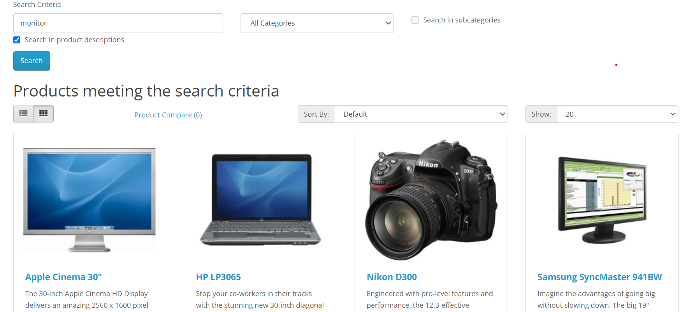
29 | Validate the working of home page functionality | Validate the dimension(length and breadth ) of every product is as per requirements. | Click on the Browser Enter the URL or Clicked Launch the home page | Valid_Url:"https://tutorialsninja.com/demo/" | NA | The dimensions of every product should be as per the requirement. | The dimensions of every product is as per the requirement. | Pass

